Sheet1
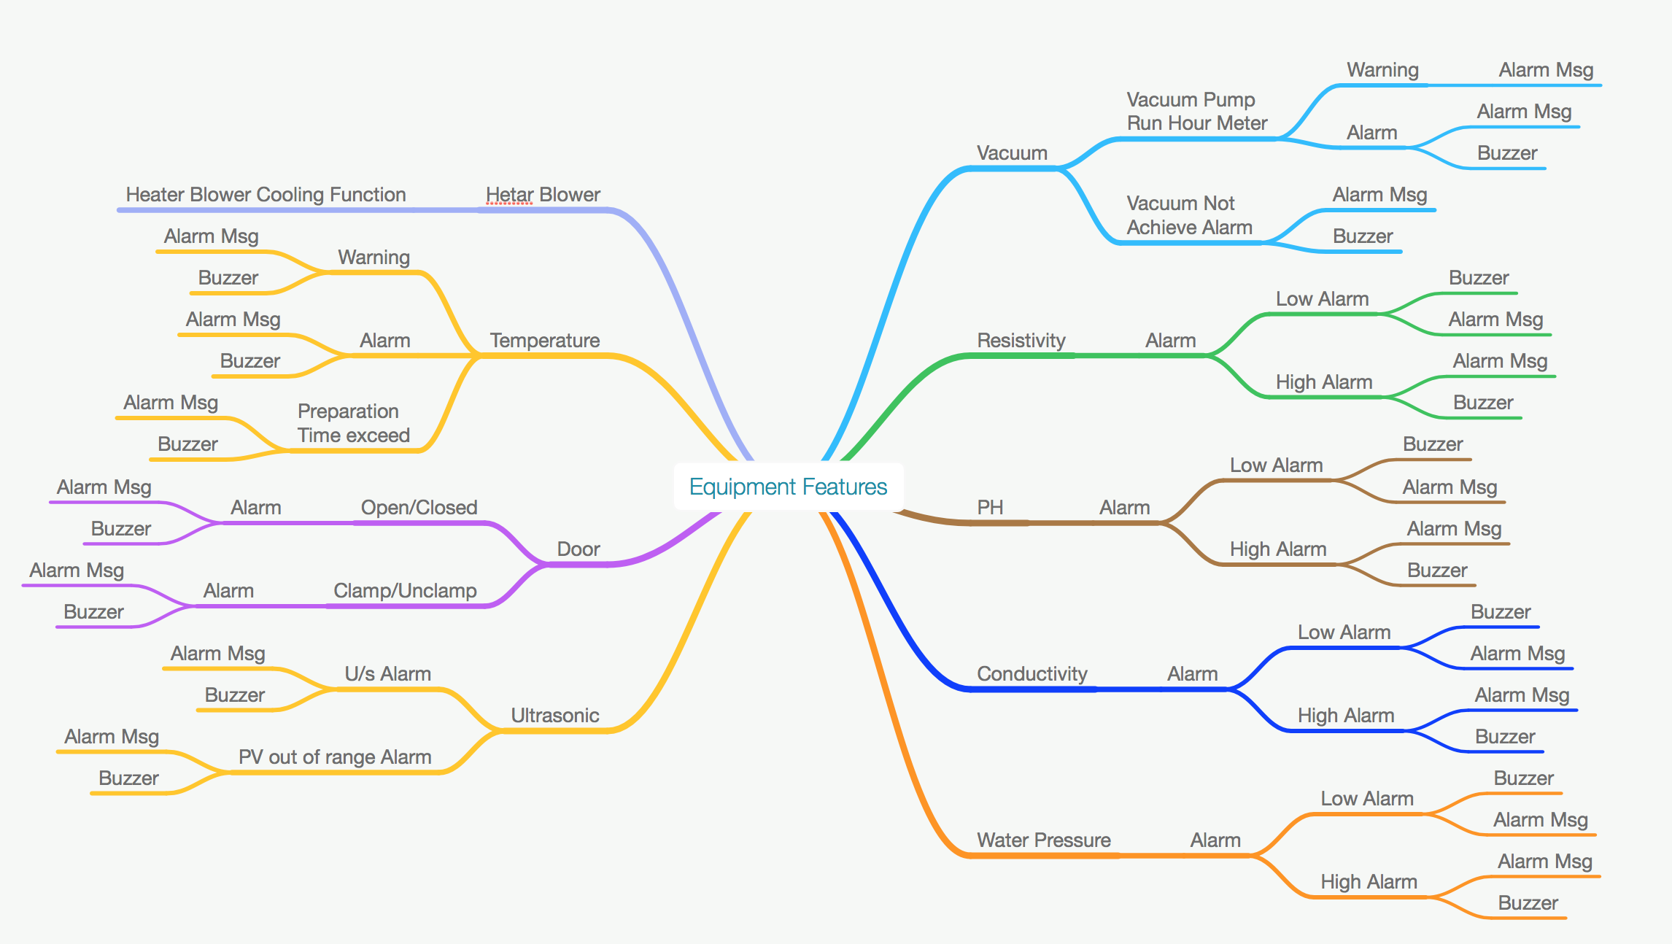
Product Recipe: Product Recipe Configuration
Definision: For user to create sequence of the Arm step/move based on the speed profile created (Up to 20 recipe)
Work FLow:
1-Arm Pick Basket at Pick Station, Arm parameter will refer to the UP PATTERN CONFIG. ( A2-2) or DOWN PATTERN CONFIG.(A2-1)
2-Tansfer the basket to Transfer station, Arm parameter will refer to the the UP PATTERN CONFIG. ( A2-2) or DOWN PATTERN CONFIG.(A2-1)
3-This will complete one cycle of basket transferring, and willjump to next step
4-Fast pull up down cycle is a arm movement where the arm will rapidly move up and down (refer to no. of cycle) at the Transfer station (optional)
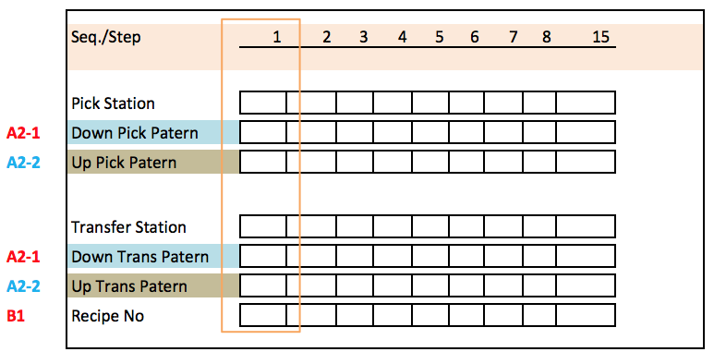

Loading: Single Recipe
Definision: One time recipe number select
Work Flow:
1-User select Recipe
2-Loading process will use the same recipe number untill user change to the next recipe number.
Recipe selection method:
1-User key in
2-Barcode
3-Host/Server Control (eg:SECS/GEM)*

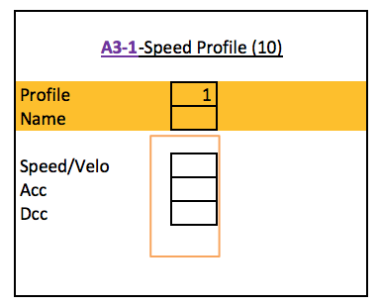
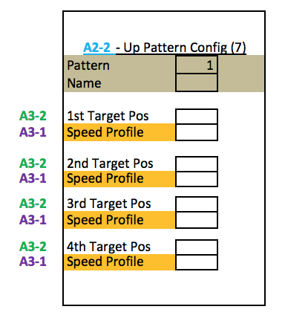
Arm Recipe: Arm Move/Speed Pattern (A1)
Definision: For user to create sequence of the Arm step/move based on the speed profile created (Up to 20 recipe)
1-Cosist of 4 target position which is prefix from the BASIC CONFIGURATION (A3-2)
2-Speed profile can be select from (A3-1)
Arm Recipe: Arm Speed Profile (A2)
Definision: For user to create a global speed profile (up to 20 sub recipe)
Work Flow:
1-The parameter for the arm
2-consist of velo, Acc, Dcc
3-The Parameter is prefix
4-The speed Profile is a global parameter where it can be use in all tank.
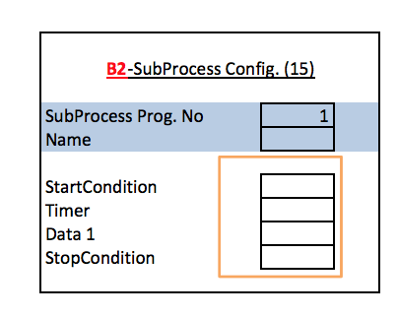
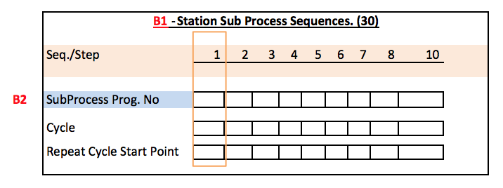
Station Recipe: Station Seq. Recipe (B1)
Definision: For user to create sequence of the recipe based on the sub recipe created (Up to 20 recipe)
1-In normal process run, after the process is complete, it will jump to the next step of the process cycle.
2-Cycle will determine the no of cycle of the process, minimum no of cycle is 1.
3-Repeat Cycle Start Point is the point where the repeat process will start
Station Recipe: Station Sub Recipe (B2)
Definision: For user to create a sub recipe for each station (up to 20 sub recipe)
Work Flow:
1-Start condition must be full fill (if any) before the timer can start to countdown. the condition maybe can be like a signal of the sensor, delay timer and so on.
2-After the condition if full fill then the timer will start countdown
3-after the timer is complete, the stop condition must be full fill before it can jump to the next step.
4-Data can be a process timer, ultrasonic power, equipment on, and so on.
Basic Recipe: Global Process parameter.
Definision: Global process parameter that going to be use in auto process
Work Flow:
1-For user to define the process parameter
2-Consist of:
a)-Temperature
b)-Condutivity
c)-etc.

Loading: Multiple Recipe
Definision: Recipe select for each time product enter
Work Flow:
1-User must select Recipe for each time basket enter
Recipe selection method:
1-User key in
2-Barcode
3-Host/Server Control (eg:SECS/GEM)*

Loading: Batch
Definision: Recipe select for each time product enter
Work Flow:
1-User select Recipe
2-Basket continues Load in
3-If user select new recipe number,Auto Preparation Seq. Restart:
4-Preparation Seq. Restart procudere:
a)-New basket with new recipe number will be hold at loading area.
b)-Remaining Basket in tank will continue the process untill finish.
c)-Preparation will Restart (and also will load new parameter-if any)
d)-Waiting the preparation complete
e)-Continue with new parameter (if any)
5-Production Continue
Recipe selection method:
1-User key in
2-Barcode
3-Host/Server Control (eg:SECS/GEM)*

Station Equipment Features.
Definision: Global station equipment features.
Work Flow:
1-Refer to the picture (Right)

